Problem 3
ISM-C1004 - Business Analytics 1 - Assignment 2 (Total 36 points)
Transshipment model (7 pts)
Pulp & Paper Ltd. produces carton at 3 mills in Finland, Sweden and Belgium. The monthly production capacities are given in Table 1. From the mills the cartboard is transported to 4 warehouses located in Finland, Lithuania, Czech Republic and the UK, in which the cartboard is sheeted according to customer requirements. The transportation costs are given in Table 2.
The customers are located across northern Europe. Operations department of P&P has grouped customers according to their geographical location and produced estimates on the average transportation costs of serving each customer group from each warehouse (Table 3). The rail line from the Mill in Finland to the warehouse in Finland has a limited capacity of 900 tons per month. The UK warehouse has a limited sheeting capacity of 5000 tons in the coming months due to maintenance.
The Sales & Marketing department has just released its demand estimates for the following month (Table 4).
Director of Sales & Operations has tasked you to develop analytics that support decision making on the distribution of cartboard. After some discussions you are able to convince the director of the added benefits of developing and deploying a network linear programming model to support these decisions.
Task (a): Formulate mathematically a transhipment model that identifies the production quantities and the transportation volumes which minimize total transportation costs while satisfying the demands. Use decision variables $x_{ij}$ and transportation costs $c_{ij}$, where $i,j∈\left\{1,…, 20\right\}$ (3 pts)
Formulation of the Linear Programming Model
1. Decision Variables:
Let $x_{ij}$​ be the amount of cartboard transported from node i to node j, where $i, j∈\{1,…,20\}$ represent mills, warehouses, and customer areas.
Nodes 1 to 3 represent Mills (Finland, Sweden, Belgium).
Nodes 4 to 7 represent Warehouses (Finland, Lithuania, Czech, UK).
Nodes 8 to 20 represent Customer areas (Finland, Sweden, Norway, etc.)
For convention, index i is used for mills, index k is for warehouses and index j is for customers
2. Objective Function:
Minimize the total transportation cost from the mills to the warehouses and from the warehouses to the customers
$min z= \sum_{i=1}^{3}{\sum_{k=4}^{7}{c_{ik}x_{ik}}}+\sum_{k=4}^{7}{\sum_{j=8}^{20}{c_{kj}x_{kj}}}$
where $\sum_{i=1}^{3}{\sum_{k=4}^{7}{c_{ik}x_{ik}}}$ is the transportation cost per ton from 3 mills to 4 warehouses and $\sum_{k=4}^{7}{\sum_{j=8}^{20}{c_{kj}x_{kj}}}$ is the transportation cost per ton from 4 warehouses to 13 customers
Number of decision variables is therefore 3 x 4 + 4 x 13 = 64 variables
3. Constraints:
- Production Capacity Constraints:
Finland Mill: ​$x_{14}+x_{15}+x_{16}+x_{17}≤9900$
Sweden Mill: $x_{24}+x_{25}+x_{26}+x_{27}≤2100$
Belgium Mill: $x_{34}+x_{35}+x_{36}+x_{37}≤4200$
- Demand Constraints (for each customer area):
For each customer area j = 8 to 20, $\sum_{k=4}^{7}{x_{kj}}=$​ Demand of customer j
- Warehouse Capacity Constraints:
Finland mill to Finland warehouse Rail Line: $x_{14}≤900$
UK Warehouse Sheeting Capacity: $x_{17}+x_{27}+x_{37}≤5000$
- Flow Conservation Constraints:
The amount of carton transported to each warehouse from the mills must be equal to the amount of carton transported out of them to the customers
For each warehouse k = 4 to 7: $\sum_{i=1}^{3}{x_{ik}}=\sum_{j=8}^{20}{x_{kj}}$​
- Non-negativity constraints:
$x_{ik},x_{kj}≥0$, for all i, j, k
Task (b): Implement transhipment model using spreadsheets and report the optimal total transportation cost (3 pts):
The transshipment model has been implemented on the right
The report optimal total transportation cost is 3 490 420 euros
Task (c) To present the optimal result to the director prepare a visualization of the network using the attached map. To keep the visualization clear, include only those arcs through which there is a non-zero flow. Remember to visualize both flows from the mills to the warehouses and from the warehouses to the customers. (1pt)
The visualization of network is implemented next to the transshipment model
Grading
a) Is the formulation reasonable? (+0-3 pts)
Formulation is reasonable and correct. (Note that multiple equivalent formulations exist.) (3 pts)
Formulation is reasonable, but there are minor mistakes (e.g., positivity or binary constraints missing. (2pts)
Formulation is reasonable, but there are major mistakes. (1pts)
Completely unreasonable or no mathematical formulation given. (0 pts)
b) Model is correct, correct optimal solution is reported and the model is clearly presented (decision varibles, data, and formulas clearly marked; data not hidden in formulas but presented in data cells corresponding to objective function and constraint coefficients). (3pts)
Small error in the model or in reporting solutions (-1 pt)
Model not clearly presented (-1 pt)
There are major errors in the model (-2 pts)
Model is poorly presented (-2 pts)
No spreadsheet implementation given (0 pts)
Not a linear model (0 pts)
C) Visualization includes all arcs through which there is non-zero flow (1pt)
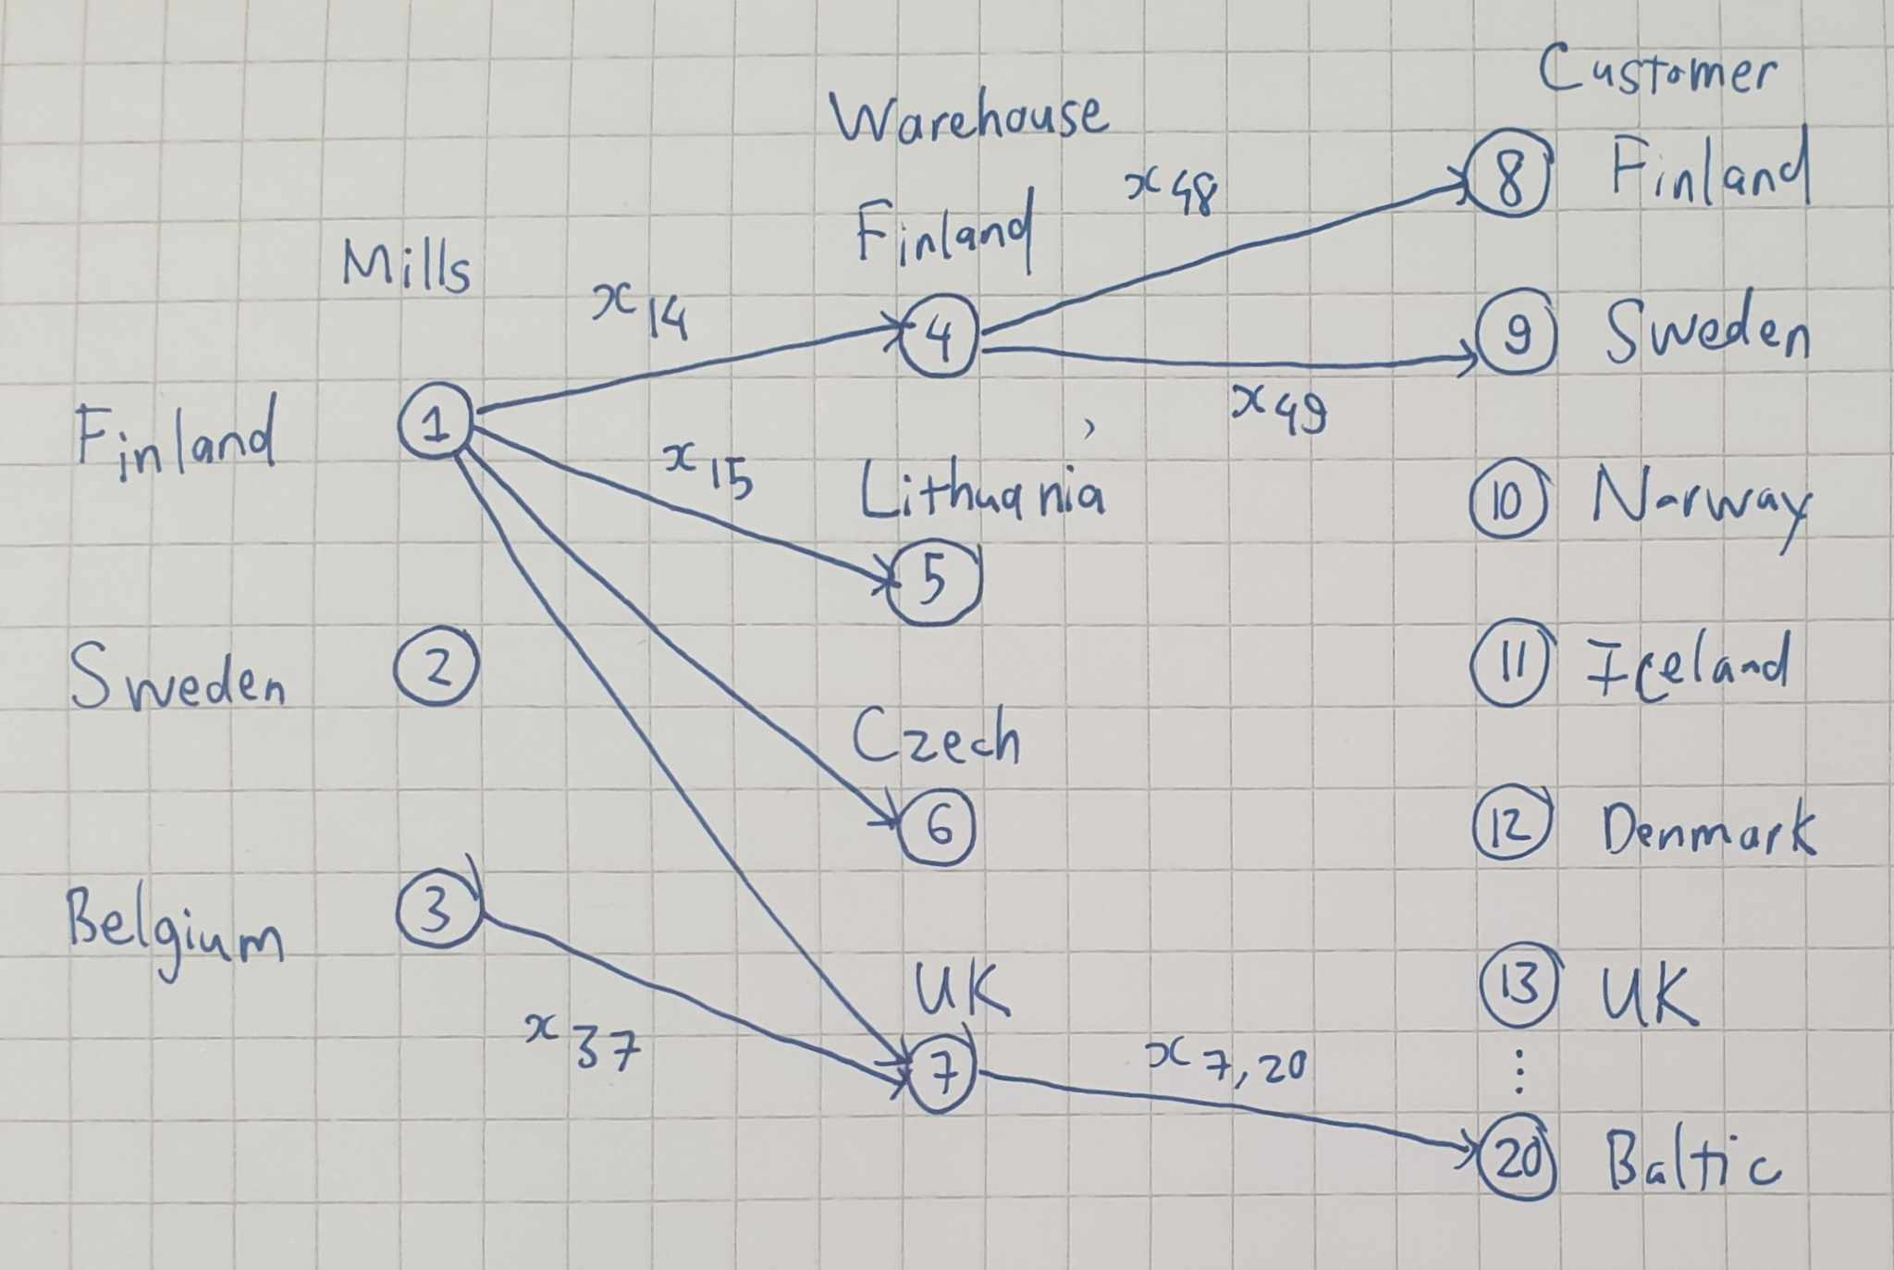

 |  |  |  |  |  |  |  | Table 1
 | Tpt. cost per ton |  | Warehouse |  |  |  |  | Production capacities (tons) | Mill
 |  |  | 4. Finland | 5. Lithuania | 6. Czech | 7. UK |  |  | 1. Finland | 2. Sweden | 3. Belgium
 | Mills | 1. Finland | 53.00 € | 95.00 € | 136.00 € | 160.00 € |  |  | 9,900 | 2,100 | 4,200
 |  | 2. Sweden | 60.00 € | 120.00 € | 132.00 € | 140.00 €
 |  | 3. Belgium | 210.00 € | 190.00 € | 89.00 € | 71.00 €

 |  |  |  |  |  |  |  | Table 4
 |  | Table 3 |  |  |  |  |  | Demand
 | Tpt. cost per ton |  | Warehouse |  |  |  |  | Customer areas | 8. Finland | 650
 |  |  | 0 | 0 | 0 | 0 |  |  | 9. Sweden | 260
 | Customer areas | 8. Finland | 100.00 € | 200.00 € | 280.00 € | 320.00 € |  |  | 10. Norway | 650
 |  | 9. Sweden | 120.00 € | 240.00 € | 260.00 € | 280.00 € |  |  | 11. Iceland | 130
 |  | 10. Norway | 150.00 € | 280.00 € | 320.00 € | 200.00 € |  |  | 12. Denmark | 780
 |  | 11. Iceland | 160.00 € | 310.00 € | 400.00 € | 130.00 € |  |  | 13. UK | 2500
 |  | 12. Denmark | 300.00 € | 280.00 € | 140.00 € | 130.00 € |  |  | 14. Ireland | 910
 |  | 13. UK | 310.00 € | 400.00 € | 319.00 € | 70.00 € |  |  | 15. France | 3120
 |  | 14. Ireland | 340.00 € | 440.00 € | 290.00 € | 100.00 € |  |  | 16. Benelux | 910
 |  | 15. France | 490.00 € | 410.00 € | 240.00 € | 90.00 € |  |  | 17. Germany | 3640
 |  | 16. Benelux | 430.00 € | 380.00 € | 230.00 € | 100.00 € |  |  | 18. Poland | 1040
 |  | 17. Germany | 360.00 € | 190.00 € | 80.00 € | 190.00 € |  |  | 19. Czech | 650
 |  | 18. Poland | 280.00 € | 80.00 € | 60.00 € | 370.00 € |  |  | 20. Baltic | 780
 |  | 19. Czech | 350.00 € | 150.00 € | 60.00 € | 320.00 €
 |  | 20. Baltic | 200.00 € | 90.00 € | 160.00 € | 390.00 €
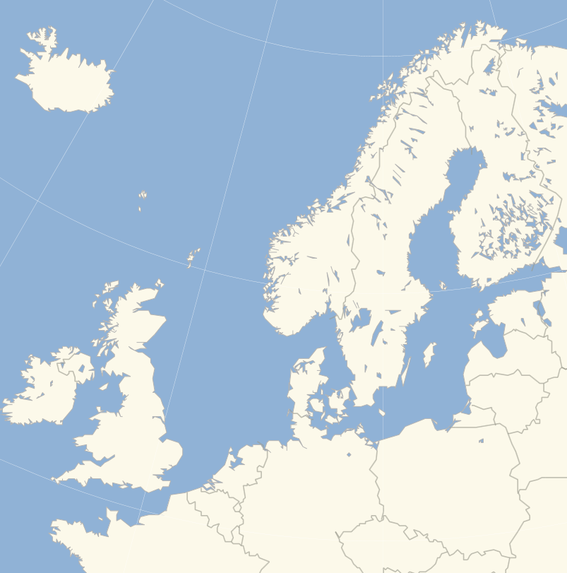
c) Visualization of transshipment model

 | Decision variables Transported cartons (tons) |  | Warehouse
 |  |  | 4. Finland | 5. Lithuania | 6. Czech | 7. UK | Production | Sign | Constraint # Production capacity
 | Mills | 1. Finland | 900 | 1820 | 7000 | 0 | 9720 | <= | 9900
 |  | 2. Sweden | 790 | 0 | 510 | 800 | 2100 | <= | 2100
 |  | 3. Belgium | 0 | 0 | 0 | 4200 | 4200 | <= | 4200
 |  |  | 1690 | 1820 | 7510 | 5000
 | Constraint # Flow conservation |  | = | = | = | =
 |  |  | 1690 | 1820 | 7510 | 5000
 | Customer areas | 8. Finland | 650 | 0 | 0 | 0 | 650 | = | 650
 |  | 9. Sweden | 260 | 0 | 0 | 0 | 260 | = | 260
 |  | 10. Norway | 650 | 0 | 0 | 0 | 650 | = | 650
 |  | 11. Iceland | 130 | 0 | 0 | 0 | 130 | = | 130
 |  | 12. Denmark | 0 | 0 | 780 | 0 | 780 | = | 780
 |  | 13. UK | 0 | 0 | 0 | 2500 | 2500 | = | 2500
 |  | 14. Ireland | 0 | 0 | 0 | 910 | 910 | = | 910
 |  | 15. France | 0 | 0 | 1530 | 1590 | 3120 | = | 3120
 |  | 16. Benelux | 0 | 0 | 910 | 0 | 910 | = | 910
 |  | 17. Germany | 0 | 0 | 3640 | 0 | 3640 | = | 3640
 |  | 18. Poland | 0 | 1040 | 0 | 0 | 1040 | = | 1040
 |  | 19. Czech | 0 | 0 | 650 | 0 | 650 | = | 650
 |  | 20. Baltic | 0 | 780 | 0 | 0 | 780 | = | 780
 | Decision variables Transported cartons (tons) |  | 4. Finland | 5. Lithuania | 6. Czech | 7. UK | Warehouse output | Sign | Constraint # Customer demain
 |  |  | Warehouse
 |  |  |  |  |  |  | Optimal transportation costs
 | Constraint # Finland railway x14 <= 900 |  |  |  |  |  | 3,490,420.00
 | Constraint # UK Warehouse x17 + x27 + x37 <= 5000

